SSA
 | ANAPICO APPH6040 | ANAPICO APPH20G | ANAPICO APPH40G | Holzworth HA7062C | Holzworth HA7062D | NoiseXT DCNTS | NoiseXT NXA | R&S FSWP | Keysight E5052B | Key Comparison Remarks (vs. key competitors R&S and Keysight)
 |  |  |  |  |  |  |  |  | 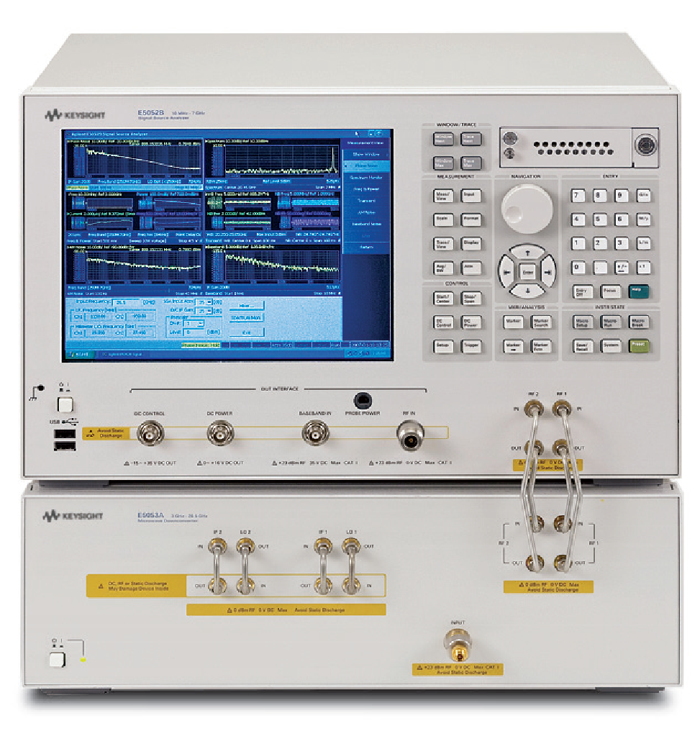
ABSOLUTE PHASE NOISE (CW) with int / ext references | Yes / Yes |  |  | Yes / Yes |  | Yes / Yes | Yes / Yes | Yes / No | Yes / No | APPH is the only one supporting Phase Noise Measurement with external references. This allows for measurement of very low phase noise levels.
Frequency range, with internal / external references | 1 MHz to 7 GHz 5 MHz to 7 GHz | 1 MHz to 26 GHz 5 MHz to 18 GHz | 1 MHz to 40 GHz 5 MHz to 18 GHz | 10 MHz to 6.0 GHz with down converter: up to 24 GHz | 10 MHz to 26 GHz with down converter: up to 40 GHz | 2 MHz to 1.8 / 26 / 50 / 140 GHz | 2 MHz to 6 / 26 / 50 GHz (with ext ref) 5 MHz to 6 / 26 / 50 GHz (with int ref) | 1 MHz to 8 GHz (FSWP8) 1/10 MHz to 26.5 GHz (FSWP26) 1/10 MHz to 50 GHz (FSWP50) | 10 MHz to 7 GHz (E5052B) 10MHz to 26.5 GHz (+E5053A down converter) up to 110 GHz (with other down converter)
Input power range | <18 GHz: -15 to +20 dBm 18 to 30 GHz: -15 to +23 dBm >30 GHz: 0 to +23 dBm |  |  | 0 to +20 dBm | -5 to +20 dBm | -30 to +20 dBm (2 MHz to 1 GHz) -20 to +20 dBm (< 1.8 GHz) -5 to +15 dBm (> 1.8 GHz) | 0 to 15 dBm (NXA-6) 0 to 20 dBm (NXA-26/50) | -40 to +30 dBm (level setting high) -20 to +30 dBm (level setting low) | -20 to +20 dBm (>30 MHz) -15 to +20 dBm (<30MHz)
Uncertainty | Offset < 10 Hz: 4 dB 10 Hz to 1 kHz: 3 dB 1 kHz to 100 MHz: 2 dB |  |  | 1 Hz to 1 kHz: 4 dB 1 kHz to 40 MHz: 2 dB: | 1 Hz to 1 kHz: 4 dB 1 kHz to 100 MHz: 2 dB: | 2 dB (offset < 1 MHz 3 dB (offset > 1 MHz) | 2 dB (1 kHz < offset < 1 MHz) 3 dB (offset > 1 MHz) | 1.5 dB (offset < 1 MHz) 2 dB (offset < 30 MHz) 3 dB (offset > 30 MHz) | 4 dB (<100 Hz) 3 dB (>1 kHz)
Offset range | 0.01 Hz to 100 MHz (> 150 MHz) 0.01 Hz to 25% of carrier (<150 MHz) |  |  | 0.1 Hz to 40 MHz | 0.1 Hz to 100 MHz | 0.01 Hz to 1 MHz (< 80 MHz) 0.01 Hz to 40 MHz (> 80 MHz) | 0.01 Hz to 40 MHz | 0.01 Hz to 30% carrier freq (DUT<3.33 GHz) 0.01 Hz to 1 GHz (DUT >3.33 GHz) | 1 Hz to 100 MHz (>1 GHz) 1 Hz to 10% of carrier (<1 GHz)
PhN sensitivity at 10 MHz, 1 CC | standard internal / low noise internal (option LN) / external |  |  |  |  | 1.8 GHz model (2 MHz to 1.8 GHz) with standard / high-level RF detector | NXA-6 | option-B60 / option-B61 / - | internal / - / - | APPH supports 3 PhN measurement modes, features highest measurement sensitivity.
@ 1 Hz | -85 / -115 / -135 |  |  | -85 | -85 | -130 / -128 |  | -96 / -115 / - | -100
@ 10 Hz | -125 / -140 / -150 |  |  | -128 | -128 | -140 / -150 | -125 | -128 / -132 / - | -131
@ 100 Hz | -155 / -155 / -155 |  |  | -151 | -151 | -150 / -168 | -158 | -140 / -142 / - | -151
@ 1 kHz | -165 / -165 / -170 |  |  | -168 | -168 | -160 / -173 | -168 | -158 / -160 / - | -164
@ 10 kHz | -175 / -175 / -175 |  |  | -178 | -178 | -168 / -175 | -180 | -170 / -170 / - | -172
@ 100 kHz | -180 / -180 / -175 |  |  | -187 | -187 | -168 / .-175 | -185 | -170 / -170 / - | -178
@ 1 MHz | -180 / -180 / -175 |  |  | -190 | -190 | -168 / -175 | -190 | -170 / -170 / - | -178
PhN sensitivity at 100 MHz, 1 CC | standard internal / low noise internal (option LN) / external |  |  |  |  | 1.8 GHz model (2 MHz to 1.8 GHz) with standard / high-level RF detector | NXA-6
@ 1 Hz | -65 / -95 / -120 |  |  | -70 | -70 | -130 / -128 |  | -76 / -95 / - | -80
@ 10 Hz | -105 / -120 / -130 |  |  | -101 | -101 | -140 / -150 | -105 | -108 / -117 / - | -111
@ 100 Hz | -135 / -135 / -140 |  |  | -136 | -136 | -150 / -168 | -138 | -136 / -140 / - | -136
@ 1 kHz | -160 / -160 / -170 |  |  | -160 | -160 | -160 / -173 | -153 | -163 / -166 / - | -154
@ 10 kHz | -175 / -175 / -178 |  |  | -172 | -172 | -168 / -175 | -166 | -170 / -170 / - | -164
@ 100 kHz | -185 / -185 / -178 |  |  | -181 | -181 | -168 / .-175 | -172 | -173 / -173 / - | -171
@ 1 MHz | -188 / -188 / -178 |  |  | -182 | -182 | -168 / -175 | -185 | -175 / -175 / - | -175
PhN sensitivity at 1 GHz, 1 CC | standard internal / low noise internal (option LN) / external |  |  |  |  | 1.8 GHz model (2 MHz to 1.8 GHz) with standard / high-level RF detector | NXA-6
@ 1 Hz | -45 / -75 / -100 |  |  | -50 | -50 | -130 / -128 |  | -56 / -75 / - | -60
@ 10 Hz | -85 / -100 / -110 |  |  | -85 | -85 | -140 / -150 | -85 | -88 / -97 / - | -91
@ 100 Hz | -115 / -115 / -125 |  |  | -118 | -118 | -150 / -168 | -118 | -116 / -120 / - | -116
@ 1 kHz | -140 / -140 / -155 |  |  | -142 | -142 | -160 / -173 | -135 | -143 / -150 / - | -135
@ 10 kHz | -155 / -155 / -170 |  |  | -157 | -157 | -168 / -175 | -149 | -166 / -166 / - | -146
@ 100 kHz | -165 / -165 / -170 |  |  | -159 | -159 | -168 / .-175 | -155 | -173 / -173 / - | -155
@ 1 MHz | -165 / -165 / -170 |  |  | -159 | -159 | -168 / -175 | -168 | -173 / -173 / - | -171
PhN sensitivity at 10 GHz, 1 CC |  | standard internal / low noise internal (option LN) / external |  |  |  | 26 GHz model (1.8 to 26.5 GHz) with standard / high-level MW detector | NXA-26 |  | with down converter E5053A
@ 1 Hz |  | -25 / -55 / -90 |  | N/A | N/A | -120 / -128 |  | -56 / -75 / - | -60
@ 10 Hz |  | -65 / -80 / -110 |  | N/A | N/A | -130 / -138 | -60 | -88 / -97 / - | -91
@ 100 Hz |  | -95 / -95 / -120 |  | N/A | N/A | -140 / -148 | -96 | -116 / -120 / - | -116
@ 1 kHz |  | -120 / -120 / -145 |  | N/A | N/A | -150 / -158 | -124 | -143 / -150 / - | -135
@ 10 kHz |  | -155 / -135 / -155 |  | N/A | N/A | -160 / -168 | -133 | -166 / -166 / - | -146
@ 100 kHz |  | -145 / -145 / -155 |  | N/A | N/A | -168 / .-174 | -132 | -173 / -173 / - | -155
@ 1 MHz |  | -150 / -150 / -155 |  | N/A | N/A | -168 / -174 | -137 | -173 / -173 / - | -171
Measurement speed | 80 s (0.1 Hz to 100 MHz offset range, per correlation, 250 points per decade) 8 s (1 Hz to 100 MHz offset range, per correlation, 250 points per decade) |  |  | min. 0.1 Hz offset, 256 samples, 1CC: 32 s min. 1 Hz offset, 256 samples, 1 CC: 18 s |  |  |  | 7 s (offset from 1 Hz, BW 30% of offset) 25 s (offset from 1 Hz, BW 3% of offset) | offset from 1 Hz to 100 MHz: 13 secs
RESIDUAL PHASE NOISE | Yes, Option APN |  |  | Yes | Yes | Yes | Yes | Yes, option B64 (with int and ext signal reference) | No | Anapico and R&S have this test mode. Keysight doesn’t.
Frequency range | 10 MHz to 7 GHz | 10 MHz to 18 GHz | 10 MHz to 18 GHz | 10 MHz to 6.0 GHz with multiple down converters: up to 24 GHz | 10 MHz to 26 GHz with multiple down converters: up to 40 GHz |  |  | 9.95/100 MHz to 8 GHz 9.95/100 MHz to 18 GHz 9.95/100 MHz t0 18 GHz
Offset range | 0.01 Hz to 100 MHz |  |  | 0.1 Hz to 40 MHz | 1 Hz to 100 MHz |  |  | 0.01 Hz to 30 MHz
Uncertainty | Offset < 1 kHz: 3 dB; Offst > 1kHz: 2 dB |  |  | N/A | N/A |  |  | < 2 dB nominal
Required input power range | RF port: 3 to 23 dBm; REF ports: 13 to 20 dBm |  |  | N/A | N/A
Residual noise floor (single channel), at 1 GHz |  |  |  | N/A | N/A |  |  | Int. / ext. sig source
@ 1 Hz | -130 |  |  |  |  |  |  | -115 / -115
@ 10 Hz | -140 |  |  |  |  |  |  | -123 / -132
@ 100 Hz | -150 |  |  |  |  |  |  | -137 / -145
@ 1 kHz | -160 |  |  |  |  |  |  | -147 / -157
@ 10 kHz | -170 |  |  |  |  |  |  | -160 / -172
@ 100 kHz | -170 |  |  |  |  |  |  | -165 / -172
CW and pulse mode measurements | Yes |  |  | CW only | CW only | Yes |  | Yes
Measurement of frequency-translating devices | Yes |  |  | Yes | Yes |  |  | Yes
PULSE MODE ABSOLUTE PHASE NOISE | Yes, option PULSE |  |  | No | No | Yes | Yes | Yes, option K4/K6 | No | Anapico and R&S have this test mode. Keysight doesn’t.
Frequency range | 30 MHz to 7 GHz | 30 MHz to 18 GHz |  |  |  |  |  | 1 MHz to 26.5 GHz
Input power range | 5 to 20 dBm
Uncertainty | Offset < 10 Hz: 4 dB; 10 Hz to 1 kHz: 3 dB; 1 kHz to 100 MHz: 2 dB |  |  |  |  |  |  | 3 dB
Pulse rate (PRF) | 200 Hz to 2 MHz |  |  |  |  |  |  | 200Hz to 2MHz
Pulse width | 200 ns to 2 ms |  |  |  |  |  |  | 250ns to 2.5ms
Duty cycle | 0.2% to 60% |  |  |  |  |  |  | 0.01 to 50 % manual 1 to 50 % auto
Offset range | 0.01 Hz to PRF |  |  |  |  |  |  | 0.01 Hz to PRF/2
BURST MODE PHASE NOISE | Yes, option BURST and PULSE |  |  | No | No | No | No | No | No | Only Anapico has this test mode!
Frequency range | 5 MHz to 7 GHz | 5 MHz to 18 GHz
Time Span (T) | 10 us to 1 min
Burst pulse wdth | 0.5 us to 5 s
Offset range | 1/T to 30 MHz
Phase noise sensitivity | 1 GHz, single channel
@ 1 kHz | -120
@ 10 kHz | -128
@ 100 kHz | -131
@ 1 MHz | -131
@ 10 MHz | -147
TRANSIENT ANALYSIS | Yes, option TRAN |  |  | No | No | No | No | Yes | Yes
Wideband / narrowband | Yes / Yes |  |  |  |  |  |  | Yes / Yes | Yes / Yes
Frequency / Power / Phase support | Yes / Yes / Yes |  |  |  |  |  |  | Yes / No / Yes (narrowband) Yes / No / No (wideband) | Yes / Yes / Yes (narrowband) Yes / No / No (wideband)
Time span | 10 us to 1 min |  |  |  |  |  |  | 1us to 16s | 10us to 10s (in advanced mode up to 1000s)
Time resolution | 16 ns to 50 ms |  |  |  |  |  |  | >20ns | 8ns to 10ms
VCO TESTING | Yes, option VCO |  |  | No | No | No | No | Yes | Yes
Frequency range | 5MHz to 7GHz | 5MHz to 26GHz | 5MHz to 40GHz |  |  |  |  | 1 MHz to 8/26.5/50 GHz
Test parameters | Frequency, Tuning Slope, Power, Current consumption, Pushing, SSB phase noise |  |  |  |  |  |  | frequency, power, DC supply, tuning sensitivity
AMPLITUDE NOISE | Yes, Option AM |  |  | Yes | Yes | Yes | Yes | Yes | Yes
Frequency range | 5 MHz to 7 GHz | 5 MHz to 18 GHz | 5 MHz to 18 GHz | 10 MHz to 6.0 GHz with down converter: up to 24 GHz | 10 MHz to 26 GHz with down converter: up to 40 GHz |  |  | 1 MHz to 8 GHz 1/10 MHz to 26.5 GHz 1/10 MHz to 50 GHz | 60 MHz to 7 GHz
Offset range | 0.1 Hz to 40 MHz |  |  | 0.1 Hz to 40 MHz | 0.1 Hz to 100 MHz |  |  | 0.01 Hz to 30% carrier freq (DUT<100MHz) 0.01 Hz to 30MHz (DUT >100MHz) | 10 Hz to 40 MHz (>400MHz) 10Hz to 10% of carrier (<400MHz)
AM noise measuremetn sensitivity | 1 GHz, 1 CC, -10 to +20 dBm |  |  | N/A | N/A |  |  | < 1 GHz
@ 1 Hz | -100 |  |  |  |  |  |  | -105 | Impossible
@ 10 Hz | -115 |  |  |  |  |  |  | -120 | -103
@ 100 Hz | -135 |  |  |  |  |  |  | -135 | -117
@ 1 kHz | -145 |  |  |  |  |  |  | -150 | -131
@ 10 kHz | -155 |  |  |  |  |  |  | -158 | -142
@ 100 kHz | -160 |  |  |  |  |  |  | -165 | -151
TIME STABILITY | Yes, option TSTAB |  |  | No | No | Yes | No | No | No | Only Anapico has this test mode!
Measurement parameters | ADEV (with no dead time)
Measurement time | 1 s to 10 days
ADEV measurement sensitivity | with RBW 100 Hz
@ tau = 1 s | 5.00E-13
@ tau = 100 s | 1.00E-13
BASEBAND NOISE ANALYSIS | Yes |  |  | Yes | Yes | NO | Yes | Yes | Yes
SPECTRUM MONITORING | Yes, option SPEC |  |  | No | No | No | No | Yes. Option B1 | Yes | R&S has the strongest feature set with this test function, but expensive
Frequency range | 5 MHz to 7 GHz | 5 MHz to 20 GHz | 5 MHz to 20 GHz |  |  |  |  | 10 MHz to 8 / 26.5 / 50 GHz | 10 MHz to 7 GHz
Resolution BW | 5.8 Hz to 5.8 kHz |  |  |  |  |  |  | 1 Hz to 10 MHz in 1/2/3/5 sequence, and 20 / 50 /80 MHz
Noise floor | 5 MHz to 4 GHz: -95 dBm/Hz 4 to 18 GHz: -90 dBm/Hz > 18 GHz: -80 dBm/Hz
OTHERS
Integrated power supplies | YES, two, 0 to 15 V, 550 mA |  |  | 0-12V, 250mA | 0-12V, 250mA | NO |  | Yes, 0 to 16V, 2A max | Yes, 0 to 16V, 80mA max | APPH and FSWP have sufficient max current. Keysight doesn't.
Integrated low noise tuning voltage | YES, -5 to +22 V / 35 mA |  |  | -10 to +12 V / 5mA | -10 to +12 V / 5mA | Yes |  | Yes, -10 to +28V / 20 mA | YES, -15 to +35 V / 20 mA
Frequency counter | 1 MHz to 7 GHz | 1 MHz to 26 GHz | 1 MHz to 40 GHz | 10 MHz to 6 / 24 GHz | 10 MHz to 26 / 40 GHz | NO |  | Yes | Yes
Power meter | 5 MHz to 7 GHz | 5 MHz to 26 GHz | 5 MHz to 27 GHz | 10 MHz to 6 / 24 GHz | 10 MHz to 26 / 40 GHz | NO |  | Yes | Yes
GPIB | Yes (option GPIB) |  |  | No | No | NO |  | Yes | Yes
USB | Yes |  |  | Yes | Yes | Yes |  | Yes | Yes
LAN | Yes |  |  | Yes | Yes | No |  | Yes | Yes
VISA/SCPI | Yes |  |  | Yes | Yes | Yes |  | Yes | Yes
Power consumption | 70 W max |  |  | N/A | N/A |  |  | 300 W max | 500 W max | APPH lowest power consumption
Weight | 10 kg |  |  | N/A | N/A | depends on options | 35 kg | 24 kg max | 24.5kg (E5052B) | APPH lowest weight
Dimension | 154 mm x 520 mm x 342 mm |  |  | 432 mm x 381 mm x 44.4 mm |  | 484 mm x 147 mm x 624 mm | 260 mm x 570 mm x 445 mm (6U 19" RM) | 462 mm x 240 mm x 504 mm | 266mm (E5052B) | APPH smallest
Standard warranty | 2 years |  |  | 3 years | 3 years |  |  | 3 years | 3 years
Automatic FW / GUI SW update | Yes |  |  | Yes | Yes |  |  |  |  | APPH: Life-time free FW and GUI SW updating

